Sheet1
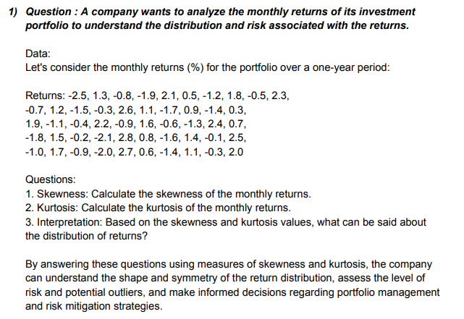
DATA | ANSWERS
-2.5 | Skewness | -0.21813634513
-2.1 | Kurtosis | -0.819383794
-2 | Interpretation | The data is negatively skewed or else you can say the mean is greater than the mode showing the distribution of return does not have repetetive number or each value is some what different from each other.
-1.9 | Mean | 0.236
-1.8 | Median | 0.1
-1.7 | Mode | -1.4
-1.6
-1.5
-1.4
-1.4
-1.3
-1.2
-1.1
-1
-0.9
-0.9
-0.8
-0.7
-0.6
-0.5
-0.4
-0.3
-0.3 |  | `
-0.2
-0.1
0.3
0.5
0.6
0.7
0.8
0.9
1.1
1.1
1.2
1.3
1.4
1.5
1.6
1.7
1.8
1.9
2
2.1
2.2
2.3
2.4
2.5
2.6
2.7
2.8

